Visual of Controls
NIST CSF: Identify, Protect, Detect, Respond, Recover - Control Categories
Category | Subcategory Count
Protect | 39
Identify | 29
Detect | 18
Respond | 16
Recover | 6
Grand Total | 108

Assessment Chart
Row Labels | Total Points Possible | Sum of Assessor Rating
Detect | 90 | 54
Identify | 145 | 87
Protect | 195 | 117
Recover | 30 | 18
Respond | 80 | 48
Grand Total | 540 | 324
 |  | 60.00%

Instructions
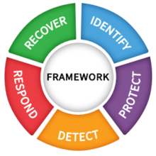
 |  | Rating Scale

 |  | 1 | Very bad
 |  | 2 | bad
 |  | 3 | neutral
 |  | 4 | good
 |  | 5 | Very Good

1 | Rate each control on a scale of 1-5. Default is set to 3
2 | If you have multiple assessors, you can copy the tab for individual assessor results, each assessor will input his or her name in the Assessor Name field
3 | if you want to aggregate into a single report, you can copy the 108 controls and assign a named assessor column
4 | Review your Assessment Chart

